Sheet1
New Chapter
Chartering Form

 |  |  |  |  |  |  |  | School Type
 |  |  |  |  |  |  | ChapterType
 | Information for State FFA Association |  |  |  |  |  | High School (grades 9-12)
 | Required Fields in RED |  |  |  |  |  | Middle School/High School Combined (grades 7-12)
 |  |  |  |  |  |  | Middle School (grades 7-8)
 | School Name:
 | Billing Address:
 | City: |  |  |  | State: | Zip:
Shipping/Physical Address
 | City: |  |  |  | State: | Zip:
 | Bill to Address |  |  |  |  |  | Charter
 | City: |  |  |  | State: | Zip: | Area Career Tech Center
 | School Phone: |  |  | Fax Number: |  |  | Home School
 |  |  |  |  |  |  | Magnet
 | Official Chapter Name: |  |  |  |  |  | Online Web-Based
 |  | School Type |  |  |  |  | Private Non-Parochial
 | Chapter Type: |  |  |  |  |  | Private Parochial
 |  |  | Grades in Which Ag Ed is Taught |  |  |  | Public

 | Advisor's Name:
 | Advisor's E-mail Address:
 | Advisor's Direct Phone:

 | Participating in Affiliate Dues?

 | Official FFA Jacket Information
State name (which will be above the emblem)
Chapter name (which will be below the emblem)
Jacket Back - State Line 1:
Jacket Back - Chapter Name Line 2:
Jacket Back - Chapter Name Line 3:
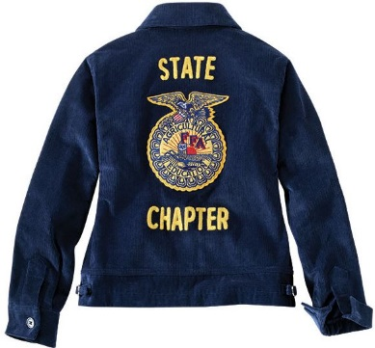
 | Additional Comments:
 | Example:
 | • This advisor already has an FFA.org account.
 | • This advisor needs to be transferred from X chapter to Y chapter.
 | • This is a first year advisor and is in FFA.org as a former member.
 | • This advisor is an Alumni member.
Questions/Concerns
If you have any questions or concerns, please contact your state FFA office. A list of state associations is at: https://www.ffa.org/state-ffa-associations/

